Exposure- Particulate (mass in)
 | This worksheet enables the calculation of allergen exposure from a particle (based on mass and ingredient use/recipe composition), and comparison to a reference dose.
input | mass of particle (mg)
input | ingredient usage level in particle recipe (%)
input | proportion of allergenic protein in ingredient (%)
output | amount of allergenic protein per particle (mg) | 0
input | Reference dose (mg protein)- select allergen from drop-down list
output | hazard quotient per particle (greater than 1 indicates risk) | Enter data

 | Reference doses (RfD) mg protein | Autofilled from Reference Doses Worksheet/Tab
 | egg | 2
 | hazelnut | 3
 | lupin | 2.6
 | milk | 0.2
 | mustard | 0.05
 | peanut | 2
 | sesame | 0.1
 | shrimp | 200
 | soy | 0.5
 | wheat (allergy not celiac disease) | 5
 | cashew & pistachio | 1
 | celery | 0.05
 | fish | 5
 | walnut & pecan | 1

 | User Notes:

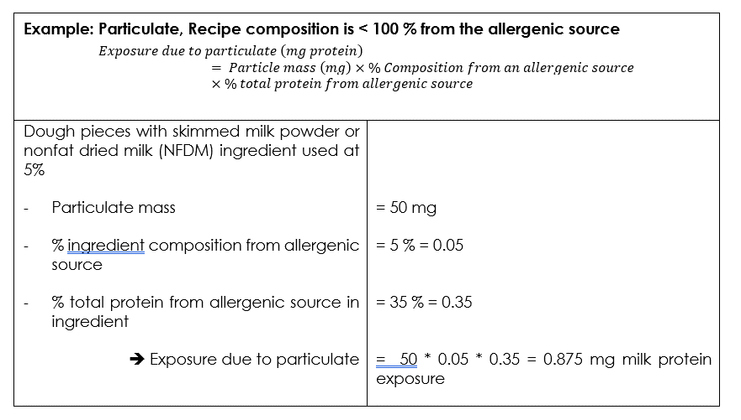
 | This Calculator is prepared by ILSI Europe Food Allergy Expert Group on Allergen Quantitative Risk Assessment (QRA) as part of "Practical Guidance on the Application of Food Allergen Quantitative Risk Assessment". For more information and guidance: | hyperlink

